Task 5
365 DataScience RE California Database
Scatter plot. Plotting numerical data; establishing relationship between variables.

Task 5: Create a scatter plot showing the relationship between Price and Area. Use the data on all properties, no matter if sold or not. Interpret the results.

Grafico de dispersion
 | Price
743.09 | $246,172.68
756.21 | $246,331.90
587.28 | $209,280.91
1604.75 | $452,667.01
1375.45 | $467,083.31
675.19 | $203,491.85
670.89 | $212,520.83
720.81 | $198,591.85
782.25 | $265,467.68
794.52 | $235,633.26
1160.36 | $317,473.86
1942.50 | $503,790.23
794.52 | $217,786.38
1109.25 | $460,001.26
1400.95 | $460,001.26
1479.72 | $448,134.27
790.54 | $249,591.99
723.93 | $196,142.19
781.07 | $258,572.48
1127.76 | $310,831.21
720.70 | $207,281.59
649.69 | $168,834.04
1307.45 | $396,973.83
618.38 | $188,743.11
625.80 | $179,674.08
1203.29 | $306,363.64
670.89 | $200,300.63
1434.09 | $382,041.13
781.07 | $245,572.79
1596.35 | $407,214.29
1110.32 | $355,073.40
781.07 | $256,821.64
697.89 | $226,342.80
625.80 | $191,389.87
957.53 | $297,008.97
722.96 | $250,773.15
923.21 | $312,211.14
670.24 | $190,119.50
785.48 | $225,050.52
798.28 | $261,742.74
1121.95 | $344,530.89
782.25 | $215,410.28
923.21 | $252,185.99
1434.09 | $480,545.81
1160.36 | $300,385.62
798.28 | $240,539.35
733.19 | $222,138.72
798.28 | $228,410.05
733.19 | $197,053.51
717.05 | $193,660.62
...
 | En la grafica podemos observar que las variables son directamente proporcionales ya que cuando aumenta el precio tambien aumenta el area y en viceversa tambien sucede lo mismo.

Tasks 6,7
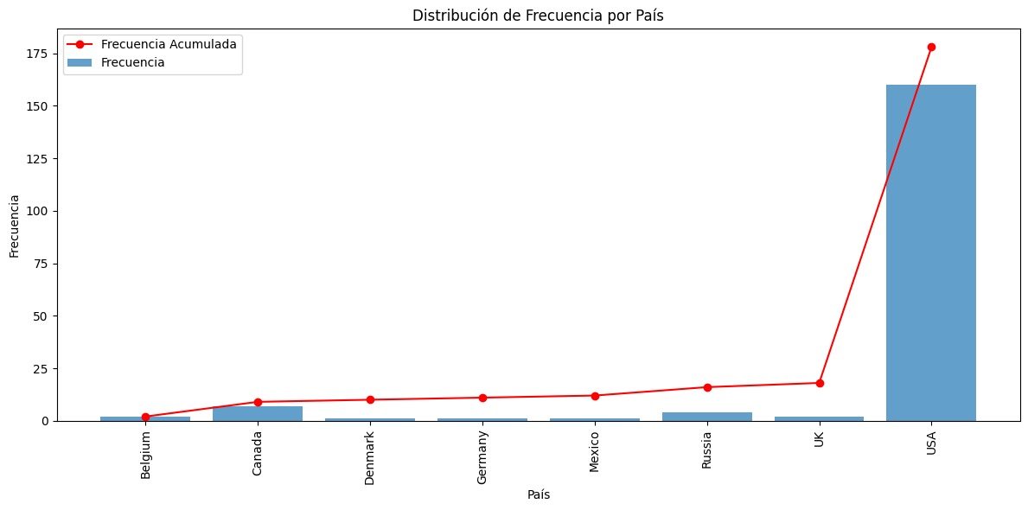
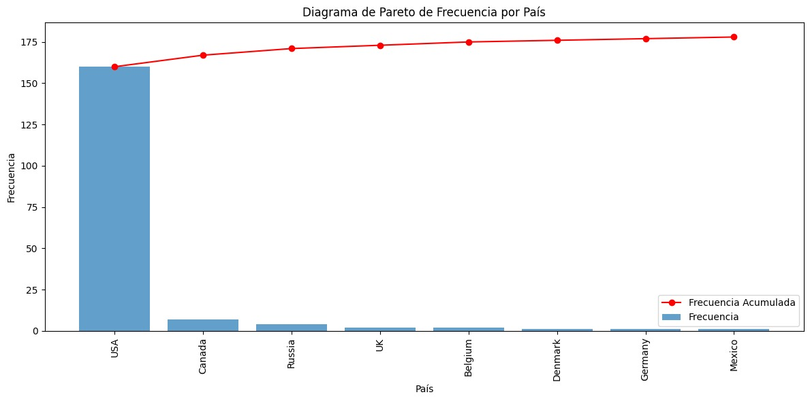
365 DataScience RE California Database
Frequency distribution table. Pareto diagram.

Task 6: Create a frequency distribution table, where you list all the countries from which the company has buyers (country vs number of buyers). Count the absolute frequency, the relative frequency and the cumulative frequency.
Task 7: Create a Pareto diagram representing the data.

